price optimization
Example: Widget World
Single supplier looking to sell widgets will set the price of widgets for the current month. Unit production cost, c, is constant at $5.00 and the demand for the current month is governed by a linear price response function as below.
Divide the customers into two segments according to Willingness To Pay (WTP):
Segment 1 = all customers with WTP > v
Segment 2 = all customers with WTP < v
Find the optimal prices for each segment and calculate the opportunity. Let’s do an example with v = $7.00
Step 3 |  | Step 4
D1 | 3,000 | p1 | 14
D2 | 1,000 | p2 | 10
m1 | 18,000 | Cost | 8
m2 | 2,000
Total Profit | 20,000

Linear line formula:
two points from the diagram: (x1,y1) and (x2,y2)
y-y1=((y2-y1)/(x2-x1))*(x-x1)
 |  |  |  | Step 1 | Linear price response function |  |  |  | Price x | Demand y
 |  |  |  |  | Demand | Market potential | Slope | v | 0 | 10000
 |  |  |  |  | 4000 | 10000 | -500 | 12 | 20 | 0
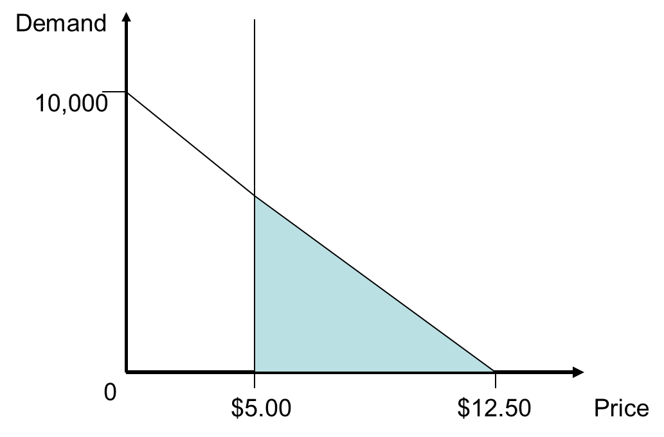

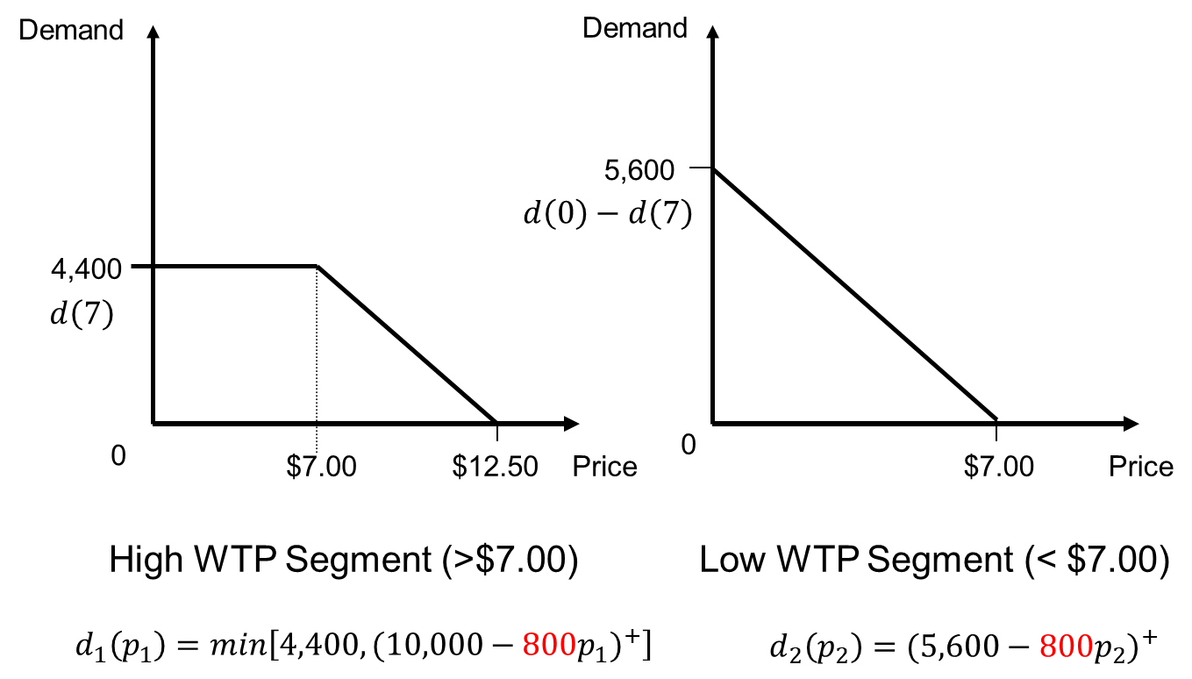
 |  |  |  | Step 2

